Sheet1
Fila Kids Apparel

Take All Offer Only

Restrictions: Export Only. No Sales in Canada or USA.

All garments have UPC.

No MSRP.

Quantity: 15,019 units

Breakdown below.

Take All Singles Price: $4.20 per unit Ex-Warehouse in Canada
Take All Set Price: $6.69 per set Ex-Warehouse in Canada

Subject to change and prior sale.

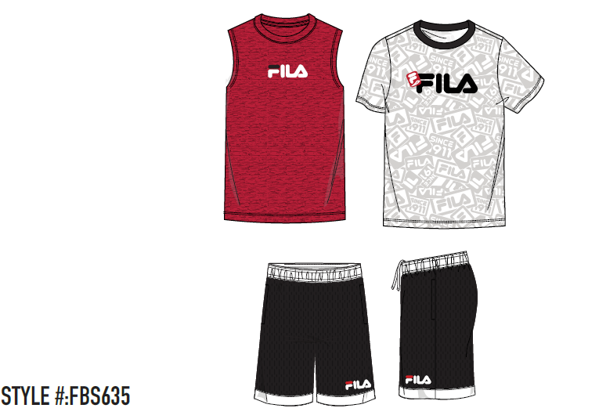
Category | Subcat | Logo Label | Location | Gender | Size Range | Style | Root | Style Description | Color Code | Color | Label | Multi Size Code | UPC | MSRP | # Units
3 PC SET | HOODIE/SS TEE/PANT | FILA | ETIOBICOKE, ONTARIO | KIDS | 2-8 KIDS | 522678 | 678 | FILA KIDS 3PC FLEECE SET | AST | ASSORTED AST | DV | [2T]:2 | [3T]:3 | [4T]:3 | [5]:4 | [6]:4 | [7]:3 | [8B]:5 | 888393339583 | $19.99 | 6,969 | 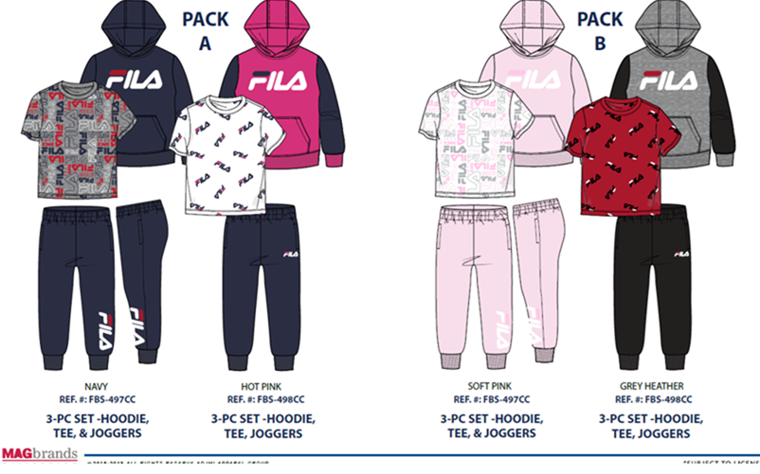
3 PC SET | HOODIE/TEE/JOGGER | FILA | ETIOBICOKE, ONTARIO | BOYS | 2-7 BOYS | FBS635 | 635 | FILA KIDS 3PC SET | E3A | WHITE SIZE 2 | C_ | [2T]:56 | 888393372955 | $19.99 | 112
3 PC SET | HOODIE/TEE/JOGGER | FILA | ETIOBICOKE, ONTARIO | BOYS | 2-7 BOYS | FBS635 | 635 | FILA KIDS 3PC SET | E3B | WHITE SIZE 3 | C_ | [3T]:56 | 888393372962 | $19.99 | 168
3 PC SET | HOODIE/TEE/JOGGER | FILA | ETIOBICOKE, ONTARIO | BOYS | 2-7 BOYS | FBS635 | 635 | FILA KIDS 3PC SET | E3C | WHITE SIZE 4 | C_ | [4T]:56 | 888393372979 | $19.99 | 224
3 PC SET | HOODIE/TEE/JOGGER | FILA | ETIOBICOKE, ONTARIO | BOYS | 2-7 BOYS | FBS635 | 635 | FILA KIDS 3PC SET | E3D | WHITE SIZE 5 | C_ | [5]:56 | 888393372986 | $19.99 | 392
3 PC SET | HOODIE/TEE/JOGGER | FILA | ETIOBICOKE, ONTARIO | BOYS | 2-7 BOYS | FBS635 | 635 | FILA KIDS 3PC SET | E3E | WHITE SIZE 6 | C_ | [6]:56 | 888393372993 | $19.99 | 392
3 PC SET | HOODIE/TEE/JOGGER | FILA | ETIOBICOKE, ONTARIO | BOYS | 2-7 BOYS | FBS635 | 635 | FILA KIDS 3PC SET | WH7 | WHITE SIZE 7 | C_ | [7]:56 | 888393373006 | $19.99 | 504
3 PC SET | HOODIE/TEE/JOGGER | FILA | ETIOBICOKE, ONTARIO | BOYS | 2-7 BOYS | FBS635 | 635 | FILA KIDS 3PC SET | WH8 | WHITE SIZE 8 | C_ | [8B]:56 | 888393373013 | $19.99 | 952
3 PC SET | HOODIE/TEE/JOGGER | FILA | ETIOBICOKE, ONTARIO | BOYS | 8-20 BOYS | 575500 | 500 | FILA KIDS 3PC SET | AS2 | ASSORTED AS2 | DV | [2T]:4 | [3T]:4 | [4T]:5 | [5]:4 | [6]:5 | [7]:6 | [8B]:8 | 888393439160 | $19.99 | 1,152
3 PC SET | HOODIE/TEE/JOGGER | FILA | ETIOBICOKE, ONTARIO | BOYS | 8-20 BOYS | 575500 | 500 | FILA KIDS 3PC SET | AST | ASSORTED AST | DV | [2T]:4 | [3T]:4 | [4T]:5 | [5]:4 | [6]:5 | [7]:5 | [8B]:9 | 888393373181 | $19.99 | 1,116 | 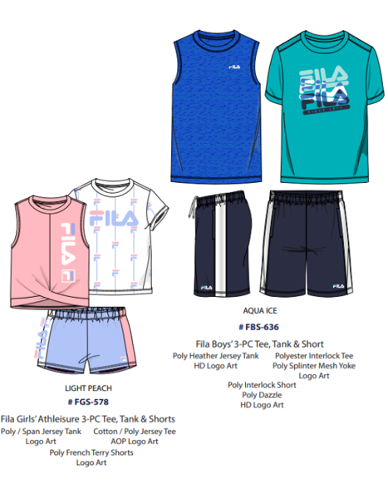 | 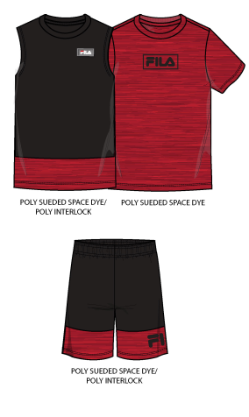
3 PC SET | HOODIE/TEE/JOGGER | FILA | ETIOBICOKE, ONTARIO | BOYS | 8-20 BOYS | FGS637 | 637 | FILA KIDS 3PC SET | BLK | BLACK | DV | [2T]:2 | [3T]:2 | [4T]:2 | [5]:2 | [6]:2 | [7]:2 | [8B]:4 | 888393373105 | $19.99 | 504 | 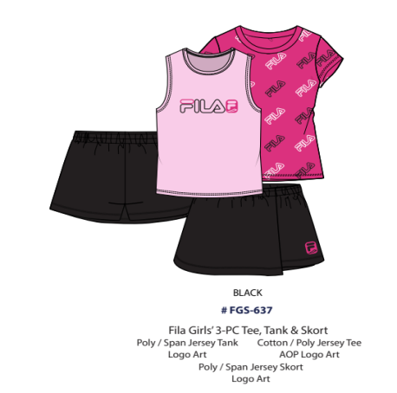
3 PC SET | HOODIE/SS TEE/PANT | FILA | ETIOBICOKE, ONTARIO | BOYS | 2-7 BOYS | FBS497 | 497 | FILA KIDS 3PC FLEECE SET | N2T | NAVY 2T | C_ | [2T]:24 | 888393339316 | $19.99 | 26
3 PC SET | HOODIE/SS TEE/PANT | FILA | ETIOBICOKE, ONTARIO | BOYS | 2-7 BOYS | FBS497 | 497 | FILA KIDS 3PC FLEECE SET | N4T | NAVY 4T | C_ | [4T]:24 | 888393339330 | $19.99 | 4
3 PC SET | HOODIE/SS TEE/PANT | FILA | ETIOBICOKE, ONTARIO | BOYS | 2-7 BOYS | FBS497 | 497 | FILA KIDS 3PC FLEECE SET | NY0 | NAVY 8 | C_ | [8B]:24 | 888393339279 | $19.99 | 108
3 PC SET | HOODIE/SS TEE/PANT | FILA | ETIOBICOKE, ONTARIO | BOYS | 2-7 BOYS | FBS497 | 497 | FILA KIDS 3PC FLEECE SET | NY5 | NAVY 5 | C_ | [5]:24 | 888393339286 | $19.99 | 12
3 PC SET | HOODIE/SS TEE/PANT | FILA | ETIOBICOKE, ONTARIO | BOYS | 2-7 BOYS | FBS497 | 497 | FILA KIDS 3PC FLEECE SET | NY6 | NAVY 6 | C_ | [6]:24 | 888393339293 | $19.99 | 60
3 PC SET | HOODIE/SS TEE/PANT | FILA | ETIOBICOKE, ONTARIO | BOYS | 2-7 BOYS | FBS497 | 497 | FILA KIDS 3PC FLEECE SET | NY7 | NAVY 7 | C_ | [7]:24 | 888393339309 | $19.99 | 52
3 PC SET | HOODIE/SS TEE/PANT | FILA | ETIOBICOKE, ONTARIO | GIRLS | 2-7 GIRLS | FBS497 | 497 | FILA KIDS 3PC FLEECE SET | P08 | PINK 8 | C_ | [8B]:24 | 888393339392 | $19.99 | 96
3 PC SET | HOODIE/SS TEE/PANT | FILA | ETIOBICOKE, ONTARIO | GIRLS | 2-7 GIRLS | FBS497 | 497 | FILA KIDS 3PC FLEECE SET | P68 | PINK 6 | C_ | [6]:24 | 888393339415 | $19.99 | 16
3 PC SET | HOODIE/SS TEE/PANT | FILA | ETIOBICOKE, ONTARIO | GIRLS | 2-7 GIRLS | FBS497 | 497 | FILA KIDS 3PC FLEECE SET | PK3 | PINK 3T | C_ | [3T]:24 | 888393339361 | $19.99 | 40
3 PC SET | HOODIE/SS TEE/PANT | FILA | ETIOBICOKE, ONTARIO | GIRLS | 2-7 GIRLS | FBS497 | 497 | FILA KIDS 3PC FLEECE SET | PK4 | PINK 4T | C_ | [4T]:24 | 888393339378 | $19.99 | 56
3 PC SET | HOODIE/SS TEE/PANT | FILA | ETIOBICOKE, ONTARIO | GIRLS | 2-7 GIRLS | FBS497 | 497 | FILA KIDS 3PC FLEECE SET | PN7 | PINK 7 | C_ | [7]:24 | 888393339385 | $19.99 | 72
3 PC SET | HOODIE/SS TEE/PANT | FILA | ETIOBICOKE, ONTARIO | BOYS | 2-7 BOYS | FBS498 | 498 | FILA KIDS 3PC FLEECE SET | 6GH | GREY HEATHER SZ5 | C_ | [5]:24 | 888393467941 | $19.99 | 40
3 PC SET | HOODIE/SS TEE/PANT | FILA | ETIOBICOKE, ONTARIO | BOYS | 2-7 BOYS | FBS498 | 498 | FILA KIDS 3PC FLEECE SET | 7GH | GREY HEATHER SZ2 | C_ | [2T]:24 | 888393341746 | $19.99 | 16
3 PC SET | HOODIE/SS TEE/PANT | FILA | ETIOBICOKE, ONTARIO | BOYS | 2-7 BOYS | FBS498 | 498 | FILA KIDS 3PC FLEECE SET | G7H | GREY HEATHER SZ6 | C_ | [6]:24 | 888393467934 | $19.99 | 72
3 PC SET | HOODIE/SS TEE/PANT | FILA | ETIOBICOKE, ONTARIO | BOYS | 2-7 BOYS | FBS498 | 498 | FILA KIDS 3PC FLEECE SET | GH0 | GREY HEATHER 4 | C_ | [4T]:24 | 888393467910 | $19.99 | 40
3 PC SET | HOODIE/SS TEE/PANT | FILA | ETIOBICOKE, ONTARIO | BOYS | 2-7 BOYS | FBS498 | 498 | FILA KIDS 3PC FLEECE SET | GH8 | GREY HEATHER 7 | C_ | [7]:24 | 888393467927 | $19.99 | 72
3 PC SET | HOODIE/SS TEE/PANT | FILA | ETIOBICOKE, ONTARIO | GIRLS | 2-7 GIRLS | FBS498 | 498 | FILA KIDS 3PC FLEECE SET | HP3 | HOT PINK 3T | C_ | [3T]:24 | 888393341821 | $19.99 | 12
3 PC SET | HOODIE/SS TEE/PANT | FILA | ETIOBICOKE, ONTARIO | GIRLS | 2-7 GIRLS | FBS498 | 498 | FILA KIDS 3PC FLEECE SET | HP4 | HOT PINK 4T | C_ | [4T]:24 | 888393341838 | $19.99 | 36
3 PC SET | HOODIE/SS TEE/PANT | FILA | ETIOBICOKE, ONTARIO | GIRLS | 2-7 GIRLS | FBS498 | 498 | FILA KIDS 3PC FLEECE SET | HP6 | HOT PINK 6 | C_ | [6]:24 | 888393341852 | $19.99 | 4
3 PC SET | HOODIE/SS TEE/PANT | FILA | ETIOBICOKE, ONTARIO | GIRLS | 2-7 GIRLS | FBS498 | 498 | FILA KIDS 3PC FLEECE SET | HRD | HOT PINK 7 | C_ | [7]:24 | 888393341869 | $19.99 | 52
3 PC SET | HOODIE/SS TEE/PANT | FILA | ETIOBICOKE, ONTARIO | GIRLS | 2-7 GIRLS | FBS498 | 498 | FILA KIDS 3PC FLEECE SET | HRF | HOT PINK 8 | C_ | [8B]:24 | 888393341876 | $19.99 | 76
3 PC SET | HOODIE/SS TEE/PANT | FILA | ETIOBICOKE, ONTARIO | BOYS | 2-7 BOYS | FBS498 | 498 | FILA KIDS 3PC FLEECE SET | WQP | GREY HEATHER 8 | C_ | [8B]:24 | 888393341807 | $19.99 | 128
TEE | SS | FILA | ETIOBICOKE, ONTARIO | BOYS | 8-20 BOYS | 82F77K | 77K | HERITAGE CLASSIC LOGO TEE | BLK | BLACK | K) | [S]:1 | [M]:3 | [L]:3 | [XL]:1 | 888393199996 | $25.00 | 16 | 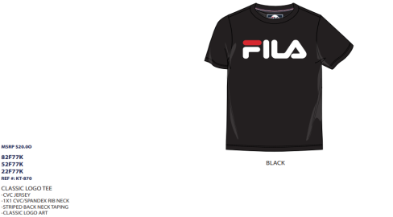
2 PACK | SS TEE/SS TEE | FILA | ETIOBICOKE, ONTARIO | GIRLS | 7-16 GIRLS | KT2370 | 370 | GIRLS 2 PACK TEES GREY/MINT | GLE | GREY LARGE | C_ | [L]:24 | 888393371880 | $24.99 | 120
2 PACK | SS TEE/SS TEE | FILA | RICHMOND, BC | GIRLS | 7-16 GIRLS | 574953 | 953 | GIRLS 2 PACK TEES | AS2 | ASSORTED AS2 | D@ | [S]:4 | [M]:6 | [L]:8 | [XL]:6 | 888393371989 | $24.99 | 48 | 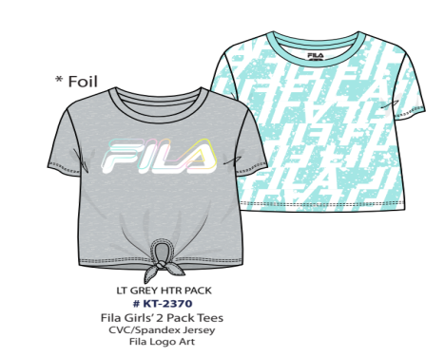
3 PC SET | HOODIE/TEE/JOGGER | FILA | RICHMOND, BC | BOYS | 8-20 BOYS | 575500 | 500 | FILA KIDS 3PC SET | AS1 | ASSORTED AS1 | D@ | [2T]:4 | [3T]:4 | [4T]:5 | [5]:4 | [6]:5 | [7]:5 | [8B]:9 | 888393373266 | $19.99 | 720
3 PC SET | HOODIE/TEE/JOGGER | FILA | RICHMOND, BC | BOYS | 8-20 BOYS | 575500 | 500 | FILA KIDS 3PC SET | AST | ASSORTED AST | D@ | [2T]:4 | [3T]:4 | [4T]:5 | [5]:4 | [6]:5 | [7]:5 | [8B]:9 | 888393373181 | $19.99 | 540
 |  |  |  |  |  |  |  |  |  |  |  |  |  |  | 15,019

